Orders Main Screen
ORDERS
id_order____ (U/I)
id_customer ____
ord_date __/__/__
ord_description _______
id_order_type ___
id_order_condition ___
id_offer ___
id_or_Status __
ord_units ____(C)
ord_fty_del_date __/__/__
ord_fty _delivered ___(C)
ord_fty_value ___(C)
ord_plf ____ (CDB) id_price_list_factory
ord_fty_confirm __/__/__
ord_zone_del_date __/__/__
ord_zone_delivered ___(C)
ord_zone_value ___(C)
ord_plz ____ (CDB) id_price_list_zone
ord_zone_confirm __/__/__
ord_ag_del_date __/__/__
ord_ag_commission ___ %
ord_discount_1 __ %
ord_discount_2 __ %
id_payment ___
ord_ag_delivered ____(C)
ord_ag_value ____(C)
ord_ag_value_dsc1 ____(C)
ord_ag_value_dsc2 ____(C)
ORDERS MAIN SCREEN
Main Database : |  | ORDERS |  |  | Actions : | Headers of the tables allow to filter and sort information
Linked databases : |  | CUSTOMER (ZONE / AGENT/FACTORY ) |  |  |  | When any filter appear a Summary information
 |  | ORDER TYPE |  |  |  | When calculate the garments pendent to deliver check if actual date is later than
 |  | ORDER CONDITION |  |  |  |  | delivery date if so write the number on red
 |  | ORDER STATUS
 |  | OFFER
 |  | PRICE LIST ZONE |  |  |  |  |  | CALCULATED VALUES
 |  | PRICE LIST AREA |  |  |  |  |  | calc -1 | ord_units - ord_fty_delivered
 |  |  |  |  |  |  |  | calc -2 | ord_fty_delivered - ord_zone_delivered
 |  |  |  |  |  |  |  | calc -3 | ord_zone_delivered - ord_ag_delivered
 |  |  |  |  |  |  |  | ord_fty_value | Sum Total ord_fty
 |  |  |  |  |  |  |  | ord_zone_value | Sum Total ord_Zone
 |  |  |  |  |  |  |  | ord_ag_value | Sum Total ord_ag
 |  |  |  |  |  |  |  | calc -4 | ord_ag_value * ord_discount_1 %
The information shown on this screen is filtered according to user access level |  |  |  |  |  |  |  | ord_ag_value_dsc1 (calc-5) | ord_ag_value - calc-4
 |  |  |  |  |  |  |  | calc -6 | ord_ag_value_dsc1 (calc-5) * ord_discount_2 %
 |  |  |  |  |  |  |  | ord_ag_value_dsc2 (calc-7) | ord_ag_value_dsc1 (calc-5) - calc-6

* FACTORY / ZONE VIEW (3 LINES)

 | ORDER | CUSTOMER | CUSTOMER | ORDER DESCRIPTION | ORDER TYPE | ORDER CONDITION | STATUS | CONFIRMATION DATES | DELIVERY DATES | TOTAL UNITS | UNITS DELIVERED | PENDENT TO DELIVER | VALUE | CURRENCY | ORDER VALUE DISCOUNT 1 | ORDER VALUE DISCOUNT 2 | CURRENCY
 | id_order | id_customer | cs_name ag_description z_description (id_customer / id_agent / id_zone) | ord_description | ot_description (id_order_type) | oc_description (id_order_condition) | os_description (id_order_status) | ord_fty_confirm ord_zone_confirm ord_date | ord_fty_del_date ord_zone_del_date ord_ag_del_date | ord_units | ord_fty_delivered ord_zone_delivered ord_ag_delivered | **calc-1** **calc-2** **calc-3** | ord_fty_value ord_zone_value ord_ag_value | code_curr (ord_plf(id_currency)) (ord_plz(id_currency)) (ord_plz(id_currency)) | ord_discount_1 ** calc -4** ord_ag_value_dsc1 (** calc -5**) | ord_discount_2 ** calc -6** ord_ag_value_dsc2 (** calc -7**) | code_curr (ord_plz(id_currency))
 | ORD-1247 | 787 | CB Empordà | Prendes Campus | Regular | Direct | On delivery | 2015-12-17 | 2016-01-14 | 60 | 30 | 30 | 97.51 | USD | 20 | 20
 |  |  | Tex Invest |  |  |  |  | 2015-12-16 | 2016-01-24 |  | 30 | 0 | 117.02 | EUR | 35.11 | 28.08
 |  |  | Barcelona |  |  |  |  | 2015-12-15 | 2016-01-26 |  | 30 | 0 | 175.53 | EUR | 140.42 | 112.34 | EUR
 | ORD-1248 | 337 | CB Amics Basquet | Repeticions tares | Reposition | Agent | Delivered | 2015-12-17 | 2016-02-14 | 10 | 10 | 0 | 32.00 | USD | 100 | 20
 |  |  | Castelló |  |  |  |  | 2015-12-16 | 2016-02-25 |  | 0 | 10 | 39.00 | EUR | 59.00 | -
 |  |  | Barcelona |  |  |  |  | 2015-12-15 | 2016-02-25 |  | 0 | 0 | 59.00 | EUR | - | - | EUR
 | ORD-1249 | 1198 | ISHCMC | PE Uniforms | Regular | Direct | Delivered | 2015-12-17 | 2016-01-14 | 250 | 250 | 0 | 5,952.38 | USD | 0 | 20
 |  |  | Traval Vai |  |  |  |  | 2015-12-16 | 2016-01-28 |  | 200 | 50 | 7,142.86 | EUR | - | 2,142.86
 |  |  | Vietnam |  |  |  |  | 2015-12-15 | 2016-01-28 |  | 20 | 180 | 10,714.29 | EUR | 10,714.29 | 8,571.43 | EUR
 | ORD-1250 | 825 | Canal Isabel II | Trisuits | Samples | Dealer | Open |  |  | 15 | 0 | 15 | 300.00 | USD | 0 | 20
 |  |  | Zymetric |  |  |  |  |  |  |  | 0 | 0 | 400.00 | EUR | - | 100.00
 |  |  | Barcelona |  |  |  |  | 2015-12-15 | 2016-01-28 |  | 0 | 0 | 500.00 | EUR | 500.00 | 400.00 | EUR

 |  |  |  |  |  |  |  | SUMMARY | 4 | 320 | 290 | 30 | 6,082 | USD | FACTORY to ZONE
 |  |  |  |  |  |  |  |  |  |  | 230 | 60 | 7,299 | EUR | ZONE to AGENT
 |  |  |  |  |  |  |  |  |  |  | 50 | 180 | 10,949 | EUR | 10,855 | 8,684 | EUR | AGENT to CUSTOMER

* FACTORY VIEW (RESUME)

 | ORDER | CUSTOMER | CUSTOMER | AGENT | ZONE | ORDER DESCRIPTION | ORDER TYPE | ORDER CONDITION | STATUS | FACTORY CONFIRMATION | FACTORY DELIVERY DATE | TOTAL UNITS | UNITS DELIVERED | PENDENT TO DELIVER | ORDER VALUE | CURRENCY
 | id_order | id_customer | cs_name (id_customer) | ag_description (id_customer / id_agent ) | z_description (id_customer / id_agent / id_zone) | ord_description | ot_description (id_order_type) | oc_description (id_order_condition) | os_description (id_order_status) | ord_fty_confirm | ord_fty_del_date | ord_units | ord_fty_delivered | **calc - 1** | ord_fty_value | code_curr (ord_plf(id_currency))
 | ORD-1245 | 2367 | Dragons Hanoi | Mekong 'NTO | Vietnam | Polos Passeig | Regular | Dealer | On Production | 2016-03-04 | 2016-03-04 | 120 |  | 120 | 476.19 | USD
 | ORD-1246 | 43 | AE Minguella | Tex Invest | Barcelona | Jaqueta xandall | Regular | Direct | On Production | 2016-03-28 | 2016-03-28 | 45 |  | 45 | 154.76 | USD
 | ORD-1247 | 787 | CB Empordà | Tex Invest | Barcelona | Prendes Campus | Regular | Direct | On delivery | 2016-01-14 | 2016-01-14 | 60 | 30 | 30 | 97.51 | USD
 | ORD-1248 | 337 | CB Amics Basquet | Castelló | Barcelona | Repeticions tares | Reposition | Agent | Delivered | 2016-02-14 | 2016-02-14 | 10 | 10 |  | 32.00 | USD
 | ORD-1249 | 1198 | ISHCMC | Traval Vai | Vietnam | PE Uniforms | Regular | Direct | Delivered | 2016-01-14 | 2016-01-14 | 250 | 250 |  | 5,952.38 | USD
 | ORD-1250 | 29 | Canal Isabel II | Zymetric | Barcelona | Trisuit | Samples | Dealer | Open | 2016-01-14 | 2016-01-14 | 15 |  | 15 | 300.00 | USD
 | ORD-1251 | 456 | SSIS | Tex Invest | Vietnam | Polo Coach | Regular | Direct | Open | 2016-02-22 | 2016-02-22 | 45 |  |  | 850.00 | USD

 |  |  |  |  |  |  |  |  |  | SUMMARY | 7 | 545 | 290 | 210 | 7,862.85 | USD

* ZONE VIEW (RESUME) |  |  | * FILTER by id_zone

 | ORDER | CUSTOMER | CUSTOMER | AGENT | ORDER DESCRIPTION | ORDER TYPE | ORDER CONDITION | STATUS | FACTORY DELIVERY DATE | ZONE DELIVERY DATE | AGENT DELIVERY DATE | TOTAL UNITS | UNITS RECEIVED | UNITS DELIV. TO AGENT | UNITS DELIV. TO CUSTOMER | ORDER COST | CURRENCY | ORDER VALUE CUST. DISCOUNT 1 | ORDER VALUE CUST. DISCOUNT 2 | CURRENCY
 | id_order | id_customer | cs_name (id_customer) | ag_description (id_customer / id_agent ) | ord_description | ot_description (id_order_type) | oc_description (id_order_condition) | os_description (id_order_status) | ord_fty_del_date | ord_zone_del_date | ord_ag_del_date | ord_units | ord_fty_delivered | ord_zone_delivered | ord_ag_delivered | ord_fty_value | code_curr (ord_plf(id_currency)) | ord_fty_value_dsc1 | ord_fty_value_dsc2 | code_curr (ord_plz(id_currency))
 | ORD-1246 | 43 | AE Minguella | Tex Invest | Jaqueta xandall | Regular | Direct | On Production | 2016-03-28 | 2016-04-06 | 2016-04-06 | 45 |  |  |  | 154.76 | USD | 128.97 | 107.47 | EUR
 | ORD-1247 | 787 | CB Empordà | Tex Invest | Prendes Campus | Regular | Direct | On delivery | 2016-01-14 | 2016-01-26 | 2016-01-26 | 60 | 30 | 30 |  | 97.51 | USD | 81.26 | 67.72 | EUR
 | ORD-1248 | 337 | CB Amics Basquet | Castelló | Repeticions tares | Reposition | Agent | Delivered | 2016-02-14 | 2016-02-25 | 2016-02-25 | 10 | 10 | 10 |  | 32.00 | USD |  |  | EUR
 | ORD-1250 | 29 | Canal Isabel II | Zymetric | Trisuit | Samples | Dealer | Open | 2016-01-14 | 2016-01-27 | 2016-01-27 | 15 |  |  |  | 300.00 | USD | 250.00 | 208.33 | EUR

 |  |  |  |  |  |  |  |  |  | SUMMARY | 4 | 130 | 40 | 40 | - | 584.28 | USD | 460.23 | 383.52 | EUR

* AGENT VIEW (RESUME) |  |  | * FILTER by id_zone + id_agent

 | ORDER | CUSTOMER | CUSTOMER | ORDER DESCRIPTION | ORDER TYPE | ORDER CONDITION | STATUS | ZONE DELIVERY DATE | AGENT DELIVERY DATE | TOTAL UNITS | UNITS RECEIVED | UNITS DELIV. TO CUSTOMER | COST | ORDER VALUE CUST. DISCOUNT 1 | ORDER VALUE CUST. DISCOUNT 2 | CURRENCY
 | id_order | id_customer | cs_name (id_customer) | ord_description | ot_description (id_order_type) | oc_description (id_order_condition) | os_description (id_order_status) | ord_zone_del_date | ord_ag_del_date | ord_units | ord_zone_delivered | ord_ag_delivered | ord_fty_value | ord_fty_value_dsc1 | ord_fty_value_dsc2 | code_curr (ord_plz(id_currency))
 | ORD-1246 | 43 | AE Minguella | Jaqueta xandall | Regular | Direct | On Production | 2016-04-06 | 2016-04-06 | 45 |  |  | 154.76 | 128.97 | 107.47 | EUR
 | ORD-1247 | 787 | CB Empordà | Prendes Campus | Regular | Direct | On delivery | 2016-01-26 | 2016-01-26 | 60 | 30 |  | 97.51 | 81.26 | 67.72 | EUR

 |  |  |  |  |  |  |  | SUMMARY | 2 | 105 | 30 | - | 252.28 | 210.23 | 175.19 | EUR

Order Lines (line)-Factory View
ORDERS
id_order____ (U/I)
id_customer ____
ord_date __/__/__
ord_description _______
id_order_type ___
id_order_condition ___
id_offer ___
id_or_Status __
ord_units ____(C)
ord_fty_del_date __/__/__
ord_fty _delivered ___(C)
ord_fty_value ___(C)
ord_plf ____ (CDB) id_price_list_factory
ord_fty_confirm __/__/__
ord_zone_del_date __/__/__
ord_zone_delivered ___ (C)
ord_zone_value ___(C)
ord_plz ____ (CDB) id_price_list_zone
ord_zone_confirm __/__/__
ord_ag_del_date __/__/__
ord_ag_commission ___ %
ord_discount_1 __ %
ord_discount_2 __ %
id_payment ___
ord_ag_delivered ____(C)
ord_ag_value ____(C)
ord_ag_value_dsc1 ____(C)
ord_ag_value_dsc2 ____(C)
ORDER DETAILS
id_order_det ____ (U/I)
id_order____ (L)
id_product ___
ordd_cg_name ___
ordd_line ___
ordd_name _______
ordd_number __
id_size_det ___
ordd_qtty __
ordd_fty_pr ____
ordd_zone_pr _____
ordd_ag_pr ___
ordd_fty_tot ____ (C)
ordd_zone_tot _____(C)
ordd_ag_tot ___(C)
ordd_del_fty ___ (automatically updated from SHIPMENT)
ordd_del_zone ___ (automatically updated from SHIPMENT)
ordd_del_ag ___ (automatically updated from SHIPMENT)
ORDER LINES (Line by line) - FACTORY VIEW
Database 1 : |  | ORDERS |  |  | Actions : | CREATE: Create a new record and open Order Edit
Linked databases : |  | CUSTOMER (ZONE / AGENT/FACTORY ) |  |  |  | Headers of the tables allow to filter and sort information
 |  | ORDER TYPE |  |  |  | Don't allow to edit prices unit per unit
 |  | FACTORY
 |  | ORDER STATUS
 |  | ORDER CONDITION
 |  | OFFER
 |  | PRICE LIST ZONE
 |  | PRICE LIST AREA

Database 2 : |  | ORDER DETAILS (Filtered by id_order)
Linked databases : |  | PRODUCT ( COST / COST VERSION/SIZES/SIZE DETAILS)

When any filter appear a Summary information
The information shown on this screen is filtered according to user access level

* FACTORY VIEW / LINE BY LINE
ORDER : id_order DATE : ord_date
DESCRIPTION : ord_description ORD.CONDITION : oc_description (id_order_condition)
CUSTOMER No. : id_customer ORDER TYPE : ot_description (id_order_type)
CUSTOMER NAME : cs_name (id_customer) STATUS : os_description (id_status)
AGENT : ag_description (id_customer / id_agent ) UNITS : ord_units
ZONE : z_description(id_customer / id_agent / id_zone) OFFER : id_offer
#1

---------- AGENT -----------------------------------------
DATE : ord_date
DELIVERY DATE : ord_ag_del_date
PRICE LIST : ord_plz (id_price_list_zone )
PAYMENT : pm_description (id_payment)
DELIVERED : ord_ag_delivered
TO DELIVER : **calc**
VALUE : ord_ag_value
DISCOUNT 1 : ord_discount_1
VALUE DISC 1 : **calc**
REMAIN DISC 1 : ord_ag_value_disc1
DISCOUNT 2 : ord_discount_2
VALUE DISC 2 : **calc**
REMAIN DISC 2 : ord_ag_value_disc2
---------- FACTORY -----------------------------------------
CONFIRMATION DATE : ord_fyt_confirm
DELIVERY DATE : ord_fty_del_date
PRICE LIST : ord_plf (id_price_list_factory )
VALUE : ord_fty_value
DELIVERED : ord_fty_delivered
TO DELIVER : **calc**
---------- ZONE -----------------------------------------
CONFIRMATION DATE : ord_zone_confirm
DELIVERY DATE : ord_zone_del_date
VALUE : ord_zone_value
DELIVERED : ord_zone_delivered
TO DELIVER : **calc**
 |  |  |  |  |  |  |  |  |  |  |  |  |  | Agent input the Discount
 |  |  |  |  |  |  |  |  |  |  |  |  |  | Factory, Zone can edit the Discount
 |  |  |  |  |  |  |  |  |  |  |  |  |  |  |  | 100
 |  |  |  |  |  |  |  |  |  |  |  |  |  |  |  | 20.00
 |  |  |  |  |  |  |  |  |  |  |  |  |  |  |  | 20.00
 |  |  |  |  |  |  |  |  |  |  |  |  |  |  |  | 80.00
 |  |  |  |  |  |  |  |  |  |  |  |  |  |  |  | 20.00
 |  |  |  |  |  |  |  |  |  |  |  |  |  |  |  | 64.00

 | LINE | GARMENT CODE | VERSION | COST CODE | COST CODE VERS. | DESCRIPTION | SIZES | GROUP | NAME | NUMBER | SIZE | QUANTITY | DELIVERED | PRICE PR. LST. | PRICE PROD | PRICE ORDER | CUSTOMIZATION | TOTAL | CURRENCY
#2 | id_order_det | "id_pj - id_patt - id_patt_var" (id_product) | pr_version (id_product) | cost_code (id_product / id_cost) | cv_version (id_product / id_cost_version) | pr_description (id_product) | sz_description (id_product / id_size) | ordd_cg_name | ordd_name | ordd_number | ordd_size (validate into id_size) | ordd_quantity | ordd_del_fty ordd_del_zone ordd_del_ag | plfd_fty_sell-3 plzd_zone_sell-6 plzd_pvpr-8 | pr_fty_sell-9 pr_zone_sell-10 pr_pvpr-11 (RED if expired) | ordd_fty_pr ordd_zone_pr ordd_ag_pr |  | ord_fty_tot ord_zone_tot ord_ag_tot (*) | curr_code (ord_plf (id_currency)
 | ORDD-1245-001 | 0235-0040-SP | 1 | PSB | 2 | Pantal'o Joc | 6XS to 6XL | Alevi |  | 10 | M | 1 | 1 | 7.00 |  |  |  | 7.00 | USD
 |  |  |  |  |  |  |  |  |  |  |  |  | 1 | 8.25 |  |  |  | 8.25 | EUR
 |  |  |  |  |  |  |  |  |  |  |  |  | 1 | 9.80 | 9.90 |  |  | 9.90 | EUR
 | ORDD-1245-002 | 0235-0040-SP | 1 | PSB | 2 | Pantal'o Joc | 6XS to 6XL | Alevi |  | 23 | L | 1 | 1 | 7.00 |  |  |  | 7.00 | USD
 |  |  |  |  |  |  |  |  |  |  |  |  | 1 | 8.25 |  |  |  | 8.25 | EUR
 |  |  |  |  |  |  |  |  |  |  |  |  |  | 9.80 | 9.90 |  |  | 9.90 | EUR
 | ORDD-1245-003 | 0235-0040-SP | 2 | PSB | 1 | Pantal'o Joc | 6XS to 6XL | Juvenil |  |  | XL | 5 | 3 | 6.00 |  | 5.00 |  | 25.00 | USD
 |  |  |  |  |  |  |  |  |  |  |  |  | 2 | 6.60 |  | 6.00 |  | 30.00 | EUR
 |  |  |  |  |  |  |  |  |  |  |  |  |  | 8.00 |  |  |  | 40.00 | EUR
 | ORDD-1245-004 | 0235-0040-VT | 6 | SG | 3 | Camiseta 2a | 6XS to 6XL | Alevi | JOAN | 10 | M | 1 | 1 | 9.00 | 8.00 |  |  | 8.00 | USD
 |  |  |  |  |  |  |  |  |  |  |  |  | 1 | 10.40 | 10.00 |  |  | 10.00 | EUR
 |  |  |  |  |  |  |  |  |  |  |  |  | 1 | 12.50 | 12.40 | 14.00 |  | 14.00 | EUR
 | ORDD-1245-005 | 0235-0040-VT | 6 | SG | 3 | Camiseta 2a | 6XS to 6XL | Alevi | PERE | 23 | L | 1 | 1 | 9.00 | 8.00 |  |  | 8.00 | USD
 |  |  |  |  |  |  |  |  |  |  |  |  | 1 | 10.40 | 10.00 |  |  | 10.00 | EUR
 |  |  |  |  |  |  |  |  |  |  |  |  | 1 | 12.50 | 12.40 | 14.00 |  | 14.00 | EUR

 |  |  |  |  |  |  |  |  |  |  | SUMMARY | ord_units |  |  |  |  |  | ord_fty_value | USD
 |  |  |  |  |  |  |  |  |  |  |  |  |  |  |  |  |  | ord_zone_value | EUR
 |  |  |  |  |  |  |  |  |  |  |  |  |  |  |  |  |  | ord_ag_value | EUR

* FACTORY VIEW / LINE BY LINE - EXAMPLE

ORDER : ORD-1246 DATE : 23/12/15
DESCRIPTION : Reposició equipacions joc ORD.CONDITION : Regular
CUSTOMER No. : 43 ORDER TYPE : Direct
CUSTOMER NAME : AE. Minguella STATUS : Open
AGENT : Tex Invest UNITS : 11
ZONE : Barcelona OFFER : 328/15
#1

---------- FACTORY -----------------------------------------
CONFIRMATION DATE : 2/01/16
DELIVERY DATE : 7/02/16
PRICE LIST : 2015-BCN
VALUE : 73 USD
DELIVERED : 0
TO DELIVER : 0
---------- ZONE -----------------------------------------
CONFIRMATION DATE : 28/12/15
DELIVERY DATE : 11/02/16
VALUE : 87.3 EUR
DELIVERED : 0
TO DELIVER : 0
---------- AGENT -----------------------------------------
ORDER DATE : 23/12/15
DELIVERY DATE : 15/02/16
PRICE LIST : 2015-CAT-AG
PAYMENT : 50% dwnpm - 50% delivery
DELIVERED : 0
TO DELIVER : 0
VALUE : 112.8 EUR
DISCOUNT 1 : 5 %
VALUE DISC 1 : 5.64 EUR
REMAIN DISC 1 : 107.16
DISCOUNT 2 : 30 %
VALUE DISC 2 : 32.15
REMAIN DISC 2 : 75.01

 | LINE | GARMENT CODE | VERSION | COST CODE | COST CODE VERS. | DESCRIPTION | SIZES | GROUP | NAME | NUMBER | SIZE | QUANTITY | DELIVERED | PRICE PR. LST. | PRICE PROD | PRICE ORDER | CUSTOMIZATION | TOTAL | CURRENCY
#2 | id_order_det | "id_pj - id_patt - id_patt_var" (id_product) | pr_version (id_product) | cost_code (id_product / id_cost) | cv_version (id_product / id_cost_version) | pr_description (id_product) | sz_description (id_product / id_size) | ordd_cg_name | ordd_name | ordd_number | ordd_size (validate into id_size) | ordd_quantity | ordd_del_fty ordd_del_zone ordd_del_ag | plfd_fty_sell-3 plzd_zone_sell-6 plzd_pvpr-8 | pr_fty_sell-9 pr_zone_sell-10 pr_pvpr-11 (RED if expired) | ordd_fty_pr ordd_zone_pr ordd_ag_pr |  | ord_fty_tot ord_zone_tot ord_ag_tot (*) | curr_code (ord_plf (id_currency)
 | ORDD-1245-001 | 0235-0040-SP | 1 | PSB | 2 | Pantal'o Joc | 6XS to 6XL | Alevi |  | 10 | M | 1 | 1 | 7.00 |  |  |  | 7.00 | USD
 |  |  |  |  |  |  |  |  |  |  |  |  | 1 | 8.25 |  |  |  | 8.25 | EUR
 |  |  |  |  |  |  |  |  |  |  |  |  | 1 | 9.80 | 9.90 |  |  | 9.90 | EUR
 | ORDD-1245-002 | 0235-0040-SP | 1 | PSB | 2 | Pantal'o Joc | 6XS to 6XL | Alevi |  | 23 | L | 1 | 1 | 7.00 |  |  |  | 7.00 | USD
 |  |  |  |  |  |  |  |  |  |  |  |  | 1 | 8.25 |  |  |  | 8.25 | EUR
 |  |  |  |  |  |  |  |  |  |  |  |  |  | 9.80 | 9.90 |  |  | 9.90 | EUR
 | ORDD-1245-003 | 0235-0040-SP | 2 | PSB | 1 | Pantal'o Joc | 6XS to 6XL | Juvenil |  |  | XL | 5 | 3 | 6.00 |  | 5.00 |  | 25.00 | USD
 |  |  |  |  |  |  |  |  |  |  |  |  | 2 | 6.60 |  | 6.00 |  | 30.00 | EUR
 |  |  |  |  |  |  |  |  |  |  |  |  |  | 8.00 |  |  |  | 40.00 | EUR
 | ORDD-1245-004 | 0235-0040-VT | 6 | SG | 3 | Camiseta 2a | 6XS to 6XL | Alevi | JOAN | 10 | M | 1 | 1 | 9.00 | 8.00 |  |  | 8.00 | USD
 |  |  |  |  |  |  |  |  |  |  |  |  | 1 | 10.40 | 10.00 |  |  | 10.00 | EUR
 |  |  |  |  |  |  |  |  |  |  |  |  | 1 | 12.50 | 12.40 | 14.00 |  | 14.00 | EUR
 | ORDD-1245-005 | 0235-0040-VT | 6 | SG | 3 | Camiseta 2a | 6XS to 6XL | Alevi | PERE | 23 | L | 1 |  | 9.00 | 8.00 |  |  | 8.00 | USD
 |  |  |  |  |  |  |  |  |  |  |  |  |  | 10.40 | 10.00 |  |  | 10.00 | EUR
 |  |  |  |  |  |  |  |  |  |  |  |  |  | 12.50 | 12.40 | 14.00 |  | 14.00 | EUR
 | ORDD-1245-006 | 0235-0040-VT | 8 | SG | 3 | Camiseta 1a | 6XS to 6XL | Alevi | JOAN | 10 | M | 1 | 1 | 9.00 | 8.00 |  |  | 9.00 | USD
 |  |  |  |  |  |  |  |  |  |  |  |  | 1 | 10.40 | 10.00 |  |  | 10.40 | EUR
 |  |  |  |  |  |  |  |  |  |  |  |  | 1 | 12.50 | 12.40 |  |  | 12.50 | EUR
 | ORDD-1245-007 | 0235-0040-VT | 8 | SG | 3 | Camiseta 1a | 6XS to 6XL | Alevi | PERE | 23 | L | 1 | 1 | 9.00 | 8.00 |  |  | 9.00 | USD
 |  |  |  |  |  |  |  |  |  |  |  |  | 1 | 10.40 | 10.00 |  |  | 10.40 | EUR
 |  |  |  |  |  |  |  |  |  |  |  |  | 1 | 12.50 | 12.40 |  |  | 12.50 | EUR

 |  |  |  |  |  |  |  |  |  |  | SUMMARY | 11 | ord_units |  |  | ord_fty_value |  | 73.00 | USD
 |  |  |  |  |  |  |  |  |  |  |  |  |  |  |  | ord_zone_value |  | 87.30 | EUR
 |  |  |  |  |  |  |  |  |  |  |  |  |  |  |  | ord_ag_value |  | 112.80 | EUR

Order Lines (line)-Agent View
ORDERS
id_order____ (U/I)
id_customer ____
ord_date __/__/__
ord_description _______
id_order_type ___
id_order_condition ___
id_offer ___
id_or_Status __
ord_units ____(C)
ord_fty_del_date __/__/__
ord_fty _delivered ___(C)
ord_fty_value ___(C)
ord_plf ____ (CDB) id_price_list_factory
ord_fty_confirm __/__/__
ord_zone_del_date __/__/__
ord_zone_delivered ___ (C)
ord_zone_value ___(C)
ord_plz ____ (CDB) id_price_list_zone
ord_zone_confirm __/__/__
ord_ag_del_date __/__/__
ord_ag_commission ___ %
ord_discount_1 __ %
ord_discount_2 __ %
id_payment ___
ord_ag_delivered ____(C)
ord_ag_value ____(C)
ord_ag_value_dsc1 ____(C)
ord_ag_value_dsc2 ____(C)
ORDER DETAILS
id_order_det ____ (U/I)
id_order____ (L)
id_product ___
ordd_cg_name ___
ordd_line ___
ordd_name _______
ordd_number __
id_size_det ___
ordd_qtty __
ordd_fty_pr ____
ordd_zone_pr _____
ordd_ag_pr ___
ordd_fty_tot ____ (C)
ordd_zone_tot _____(C)
ordd_ag_tot ___(C)
ORDER LINES (Line by line ) - AGENT VIEW
Database 1 : |  | ORDERS |  |  | Actions : | CREATE: Create a new record and open Order Edit
Linked databases : |  | CUSTOMER (ZONE / AGENT/FACTORY ) |  |  |  | Headers of the tables allow to filter and sort information
 |  | ORDER TYPE |  |  |  | Don't allow to edit prices unit per unit
 |  | FACTORY
 |  | ORDER STATUS
 |  | ORDER CONDITION
 |  | OFFER
 |  | PRICE LIST ZONE
ordd_del_fty ___ (automatically updated from SHIPMENT)
ordd_del_zone ___ (automatically updated from SHIPMENT)
ordd_del_ag ___ (automatically updated from SHIPMENT)
ordd_rcv_zone ___ (automatically updated from SHIPMENT)
ordd_rcv_ag ___ (automatically updated from SHIPMENT)
ordd_rcv_cs ___ (automatically updated from SHIPMENT)
ordd_rcv_pr ___ (automatically updated from SHIPMENT)
 |  | PRICE LIST AREA

Database 2 : |  | ORDER DETAILS (Filtered by id_order)
Linked databases : |  | PRODUCT ( COST / COST VERSION/SIZES/SIZE DETAILS)

When any filter appear a Summary information
The information shown on this screen is filtered according to user access level

* AGENT VIEW / LINE BY LINE
ORDER : id_order DATE : ord_date
DESCRIPTION : ord_description ORD.CONDITION : oc_description (id_order_condition)
CUSTOMER No. : id_customer ORDER TYPE : ot_description (id_order_type)
CUSTOMER NAME : cs_name (id_customer) STATUS : os_description (id_status)
AGENT : ag_description (id_customer / id_agent ) UNITS : ord_units
OFFER : id_offer
CONFIRMATION DATE : ord_zone_confirm
RECEIVING DATE: ord_zone_del_date
DELIVERY DATE : ord_ag_del_date
PRICE LIST : ord_plz (id_price_list_zone )
PAYMENT : pm_description (id_payment)
PAYMENT : pm_description (id_payment)
RECEIVED : ord_zone_delivered
PENDENT TO RECEIVE : **calc - 2 **
DELIVERED : ord_ag_delivered
PENDENT TO DELIVER : **calc - 3**
VALUE : ord_ag_value
DISCOUNT 1 : ord_discount_1
VALUE DISC 1 : **calc**
REMAIN DISC 1 : ord_ag_value_disc1
DISCOUNT 2 : ord_discount_2
VALUE DISC 2 : **calc**
REMAIN DISC 2 : ord_ag_value_disc2
#1

 | LINE | GARMENT CODE | VERSION | COST CODE | COST CODE VERS. | DESCRIPTION | SIZES | GROUP | NAME | NUMBER | SIZE | QUANTITY | DELIVERED | PRICE PR. LST. | PRICE PROD | PRICE ORDER | CUSTOMIZATION | TOTAL | CURRENCY
#2 | id_order_det | "id_pj - id_patt - id_patt_var" (id_product) | pr_version (id_product) | cost_code (id_product / id_cost) | cv_version (id_product / id_cost_version) | pr_description (id_product) | sz_description (id_product / id_size) | ordd_cg_name | ordd_name | ordd_number | szd_size (id_product / id_size / id_size_det) | ordd_qtty | ordd_rcv_cs + ordd_rcv_pr | plzd_pvpr-8 (ord_plz (cost_code / id_cost_code)) | pr_pvpr-11 (id_product) (RED if expired) | ordd_ag_pr |  | ord_ag_tot (*) | curr_code (ord_plz (id_currency)
 | ORDD-1246-001 | 0235-0040-SP | 1 | PSB | 2 | Pantal'o Joc | 6XS to 6XL | Alevi |  | 10 | M | 1 | 1 | 9.80 | 9.90 |  |  | 9.90 | EUR
 | ORDD-1246-002 | 0235-0040-SP | 1 | PSB | 2 | Pantal'o Joc | 6XS to 6XL | Alevi |  | 23 | L | 1 | 1 | 9.80 | 9.90 |  |  | 9.90 | EUR
 | ORDD-1246-003 | 0235-0040-SP | 2 | PSB | 1 | Pantal'o Joc | 6XS to 6XL | Juvenil |  |  | XL | 5 | 3 | 8.00 |  |  |  | 40.00 | EUR
 | ORDD-1246-004 | 0235-0040-VT | 6 | SG | 3 | Camiseta 2a | 6XS to 6XL | Alevi | JOAN | 10 | M | 1 |  | 12.50 | 12.40 | 14.00 |  | 14.00 | EUR
 | ORDD-1246-005 | 0235-0040-VT | 6 | SG | 3 | Camiseta 2a | 6XS to 6XL | Alevi | PERE | 23 | L | 1 | 1 | 12.50 | 12.40 | 14.00 |  | 14.00 | EUR

 |  |  |  |  |  |  |  |  |  |  | SUMMARY | ord_units | ** calc ** |  |  |  |  | ord_ag_value | EUR

 |  |  |  |  |  |  |  |  |  |  |  |  |  |  |  | (*) ord_ag_tot -See anex chart to see the value of this field

* AGENT VIEW / LINE BY LINE - EXAMPLE
ORDER : ORD-1246 DATE : 23/12/15
DESCRIPTION : Reposició equipacions joc ORD.CONDITION : Regular
CUSTOMER No. : 43 ORDER TYPE : Direct
CUSTOMER NAME : AE. Minguella STATUS : In Process
AGENT : Tex Invest UNITS : 11
OFFER : 328/15
CONFIRMATION DATE : 28/12/15
RECEIVING DATE : 11/02/16
DELIVERY DATE : 15/02/16
PRICE LIST : 2015-CAT-AG
PAYMENT : 50% dwnpm - 50% delivery
RECEIVED : 0
PENDENT TO RECEIVE : 11
DELIVERED : 0
PENDENT TO DELIVER : 0
VALUE : 112.8 EUR
DISCOUNT 1 : 5 %
VALUE DISC 1 : 56.4 EUR
REMAIN DISC 1 : 107.16
DISCOUNT 2 : 30 %
VALUE DISC 2 : 32.15
REMAIN DISC 2 : 75.01
#1

 | LINE | GARMENT CODE | VERSION | COST CODE | COST CODE VERS. | DESCRIPTION | SIZES | GROUP | NAME | NUMBER | SIZE | QUANTITY | DELIVERED | PRICE PR. LST. | PRICE PROD | PRICE ORDER | CUSTOMIZATION | TOTAL | CURRENCY
#2 | id_order_det | "id_pj - id_patt - id_patt_var" (id_product) | pr_version (id_product) | cost_code (id_product / id_cost) | cv_version (id_product / id_cost_version) | pr_description (id_product) | sz_description (id_product / id_size) | ordd_cg_name | ordd_name | ordd_number | szd_size (id_product / id_size / id_size_det) | ordd_qtty | ordd_rcv_cs + ordd_rcv_pr | plzd_pvpr-8 (ord_plz (cost_code / id_cost_code)) | pr_pvpr-11 (id_product) (RED if expired) | ordd_ag_pr |  | ord_ag_tot (*) | curr_code (ord_plz (id_currency)
 | ORDD-1246-001 | 0235-0040-SP | 1 | PSB | 2 | Pantal'o Joc | 6XS to 6XL | Alevi |  | 10 | M | 1 | 1 | 9.80 | 9.90 |  |  | 9.90 | EUR
 | ORDD-1246-002 | 0235-0040-SP | 1 | PSB | 2 | Pantal'o Joc | 6XS to 6XL | Alevi |  | 23 | L | 1 | 1 | 9.80 | 9.90 |  |  | 9.90 | EUR
 | ORDD-1246-003 | 0235-0040-SP | 2 | PSB | 1 | Pantal'o Joc | 6XS to 6XL | Juvenil |  |  | XL | 5 | 3 | 8.00 |  |  |  | 40.00 | EUR
 | ORDD-1246-004 | 0235-0040-VT | 6 | SG | 3 | Camiseta 2a | 6XS to 6XL | Alevi | JOAN | 10 | M | 1 |  | 12.50 | 12.40 | 14.00 |  | 14.00 | EUR
 | ORDD-1246-005 | 0235-0040-VT | 6 | SG | 3 | Camiseta 2a | 6XS to 6XL | Alevi | PERE | 23 | L | 1 | 1 | 12.50 | 12.40 | 14.00 |  | 14.00 | EUR
 | ORDD-1246-006 | 0235-0040-VT | 8 | SG | 3 | Camiseta 1a | 6XS to 6XL | Alevi | JOAN | 10 | M | 1 |  | 12.50 | 12.40 |  |  | 12.50 | EUR
 | ORDD-1246-007 | 0235-0040-VT | 8 | SG | 3 | Camiseta 1a | 6XS to 6XL | Alevi | PERE | 23 | L | 1 | 1 | 12.50 | 12.40 |  |  | 12.50 | EUR

 |  |  |  |  |  |  |  |  |  |  | SUMMARY | 11 | 7 |  |  |  |  | 112.80 | EUR

Orders Lines (Size)
ORDERS
id_order____ (U/I)
id_customer ____
ord_date __/__/__
ord_description _______
id_order_type ___
id_order_condition ___
id_offer ___
id_or_Status __
ord_units ____(C)
ord_fty_del_date __/__/__
ord_fty _delivered ___(C)
ord_fty_value ___(C)
ord_plf ____ (CDB) id_price_list_factory
ord_fty_confirm __/__/__
ord_zone_del_date __/__/__
ord_zone_delivered ___ (C)
ord_zone_value ___(C)
ord_plz ____ (CDB) id_price_list_zone
ord_zone_confirm __/__/__
ord_ag_del_date __/__/__
ord_ag_commission ___ %
ord_discount_1 __ %
ord_discount_2 __ %
id_payment ___
ord_ag_delivered ____(C)
ord_ag_value ____(C)
ord_ag_value_dsc1 ____(C)
ord_ag_value_dsc2 ____(C)
ORDER DETAILS
id_order_det ____ (U/I)
id_order____ (L)
id_product ___
ordd_cg_name ___
ordd_line ___
ordd_name _______
ordd_number __
id_size_det ___
ordd_qtty __
ordd_fty_pr ____
ordd_zone_pr _____
ordd_ag_pr ___
ordd_fty_tot ____ (C)
ordd_zone_tot _____(C)
ordd_ag_tot ___(C)
ordd_del_fty ___ (automatically updated from SHIPMENT)
ordd_del_zone ___ (automatically updated from SHIPMENT)
ordd_del_ag ___ (automatically updated from SHIPMENT)
ORDER LINES (SIZES) - MAIN SCREEN
Database 1 : |  | ORDERS |  |  | Actions : | CREATE: Create a new record and open Order Edit
Linked databases : |  | CUSTOMER (ZONE / AGENT/FACTORY ) |  |  |  | Headers of the tables allow to filter and sort information
 |  | ORDER TYPE |  |  |  | Allow to edit prices only in this view, so will change prices to all records of one same product
 |  | FACTORY |  |  |  | Information shown by sizes and grouped by id_product. Optional to group also for ordd_cg_name
 |  | ORDER STATUS
 |  | ORDER CONDITION
 |  | OFFER
 |  | PRICE LIST ZONE
 |  | PRICE LIST AREA

Database 2 : |  | ORDER DETAILS (Filtered by id_order / grouped by ordd_line)
Linked databases : |  | PRODUCT ( COST / COST VERSION/SIZES/SIZE DETAILS)

When any filter appear a Summary information
The information shown on this screen is filtered according to user access level

* FACTORY VIEW (SIZES)
DATE : ord_date
DELIVERY DATE : ord_ag_del_date
PRICE LIST : ord_plz (id_price_list_zone )
PAYMENT : pm_description (id_payment)
DELIVERED : ord_ag_delivered
TO DELIVER : **calc**
VALUE : ord_ag_value
DISCOUNT 1 : ord_discount_1
VALUE DISC 1 : **calc**
REMAIN DISC 1 : ord_ag_value_disc1
DISCOUNT 2 : ord_discount_2
VALUE DISC 2 : **calc**
REMAIN DISC 2 : ord_ag_value_disc2
ORDER : id_order DATE : ord_date
DESCRIPTION : ord_description ORD.CONDITION : oc_description (id_order_condition)
CUSTOMER No. : id_customer ORDER TYPE : ot_description (id_order_type)
CUSTOMER NAME : cs_name (id_customer) STATUS : os_description (id_status)
AGENT : ag_description (id_customer / id_agent ) UNITS : ord_units
ZONE : z_description(id_customer / id_agent / id_zone) OFFER : id_offer
CONFIRMATION DATE : ord_fyt_confirm
DELIVERY DATE : ord_fty_del_date
PRICE LIST : ord_plf (id_price_list_factory )
VALUE : ord_fty_value
DELIVERED : ord_fty_delivered
TO DELIVER : **calc**
CONFIRMATION DATE : ord_zone_confirm
DELIVERY DATE : ord_zone_del_date
VALUE : ord_zone_value
DELIVERED : ord_zone_delivered
TO DELIVER : **calc**
#1

 | SKETCH | GARMENT CODE | VERSION | COST CODE | COST CODE VERS. | DESCRIPTION | SIZES | GROUP | 6XS | 5XS | 4XS | 3XS | XXS | XS | S | M | L | XL | XXL | 3XL | 4XL | 5XL | 6XL | TOTAL | PRICE PR. LST. | PRICE PROD | PRICE ORDER | CUSTOMIZATON | TOTAL | CURRENCY
#2 | pr_sketch | "id_pj - id_patt - id_patt_var" (id_product) | pr_version (id_product) | cost_code (id_product / id_cost) | cv_version (id_product / id_cost_version) | pr_description (id_product) | sz_description (id_product / id_size) | ordd_cg_name | q1 | q2 | q3 | q4 | q5 | q6 | q7 | q8 | q9 | q10 | q11 | q12 | q13 | q14 | q15 | ** calc - 8 ** | plfd_fty_sell-3 plzd_zone_sell-6 plzd_pvpr-8 | pr_fty_sell-9 pr_zone_sell-10 pr_pvpr-11 (RED if expired) | ordd_fty_pr ordd_zone_pr ordd_ag_pr |  | ordd_fty_tot ordd_zone_tot ordd_ag_tot (*) | curr_code (ord_plf (id_currency)
 |  | 0235-0040-SP | 1 | PSB | 2 | Pantal'o Joc | 6XS to 6XL | Alevi |  |  |  |  |  |  |  | 1 | 1 |  |  |  |  |  |  | 2 | 7.00 |  |  | 0.60 | 14.00 | USD
 |  |  |  |  |  |  |  |  |  |  |  |  |  |  |  |  |  |  |  |  |  |  |  |  | 8.25 |  |  | 1.00 | 16.50 | EUR
 |  |  |  |  |  |  |  |  |  |  |  |  |  |  |  |  |  |  |  |  |  |  |  |  | 9.80 | 9.90 |  | 1.00 | 19.80 | EUR
 |  | 0235-0040-SP | 2 | PSB | 1 | Pantal'o Joc | 6XS to 6XL | Juvenil |  |  |  |  |  |  |  |  |  | 5 |  |  |  |  |  | 5 | 6.00 |  | 5.00 |  | 25.00 | USD
 |  |  |  |  |  |  |  |  |  |  |  |  |  |  |  |  |  |  |  |  |  |  |  |  | 6.60 |  | 6.00 |  | 30.00 | EUR
 |  |  |  |  |  |  |  |  |  |  |  |  |  |  |  |  |  |  |  |  |  |  |  |  | 8.00 |  |  |  | 40.00 | EUR
 |  | 0235-0040-VT | 6 | SG | 3 | Camiseta 2a | 6XS to 6XL | Alevi |  |  |  |  |  |  |  | 1 | 1 |  |  |  |  |  |  | 2 | 9.00 | 8.00 |  |  | 16.00 | USD
 |  |  |  |  |  |  |  |  |  |  |  |  |  |  |  |  |  |  |  |  |  |  |  |  | 10.40 | 10.00 |  |  | 20.00 | EUR
 |  |  |  |  |  |  |  |  |  |  |  |  |  |  |  |  |  |  |  |  |  |  |  |  | 12.50 | 12.40 | 14.00 |  | 28.00 | EUR
 |  | 0235-0040-VT | 8 | SG | 3 | Camiseta 1a | 6XS to 6XL | Alevi |  |  |  |  |  |  |  | 1 | 1 |  |  |  |  |  |  | 2 | 9.00 | 8.00 |  |  | 18.00 | USD
 |  |  |  |  |  |  |  |  |  |  |  |  |  |  |  |  |  |  |  |  |  |  |  |  | 10.40 | 10.00 |  |  | 20.80 | EUR
 |  |  |  |  |  |  |  |  |  |  |  |  |  |  |  |  |  |  |  |  |  |  |  |  | 12.50 | 12.40 |  |  | 25.00 | EUR

 |  |  |  |  |  |  |  |  | 0 | 0 | 0 | 0 | 0 | 0 | 0 | 3 | 3 | 5 | 0 | 0 | 0 | 0 | 0 | ord_units |  |  |  |  | 73.00 | USD
 |  |  |  |  |  |  |  |  |  |  |  |  |  |  |  |  |  |  |  |  |  |  |  |  |  |  |  |  | 87.30 | EUR
 |  |  |  |  |  |  |  |  |  |  |  |  |  |  |  |  |  |  |  |  |  |  |  |  |  |  |  |  | 112.80 | EUR

* FACTORY VIEW (SIZES) - EXAMPLE
---------- FACTORY -----------------------------------------
CONFIRMATION DATE : 2/01/16
DELIVERY DATE : 7/02/16
PRICE LIST : 2015-BCN
VALUE : 73 USD
DELIVERED : 0
TO DELIVER : 0
---------- ZONE -----------------------------------------
CONFIRMATION DATE : 28/12/15
DELIVERY DATE : 11/02/16
VALUE : 87.3 EUR
DELIVERED : 0
TO DELIVER : 0
---------- AGENT -----------------------------------------
ORDER DATE : 23/12/15
DELIVERY DATE : 15/02/16
PRICE LIST : 2015-CAT-AG
PAYMENT : 50% dwnpm - 50% delivery
DELIVERED : 0
TO DELIVER : 0
ORDER : 1246 DATE : 23/12/15
DESCRIPTION : Reposició equipacions joc ORD.CONDITION : Regular
CUSTOMER No. : 43 ORDER TYPE : Direct
CUSTOMER NAME : AE. Minguella STATUS : Open
AGENT : Tex Invest UNITS : 11
ZONE : Barcelona OFFER : 328/15
#1

 | SKETCH | GARMENT CODE | VERSION | COST CODE | COST CODE VERS. | DESCRIPTION | SIZES | GROUP | 6XS | 5XS | 4XS | 3XS | XXS | XS | S | M | L | XL | XXL | 3XL | 4XL | 5XL | 6XL | TOTAL | PRICE PR. LST. | PRICE PROD | PRICE ORDER | CUSTOMIZATON | TOTAL | CURRENCY
#2 | pr_sketch | "id_pj - id_patt - id_patt_var" (id_product) | pr_version (id_product) | cost_code (id_product / id_cost) | cv_version (id_product / id_cost_version) | pr_description (id_product) | sz_description (id_product / id_size) | ordd_cg_name | q1 | q2 | q3 | q4 | q5 | q6 | q7 | q8 | q9 | q10 | q11 | q12 | q13 | q14 | q15 | ** calc - 8 ** | plfd_fty_sell-3 plzd_zone_sell-6 plzd_pvpr-8 | pr_fty_sell-9 pr_zone_sell-10 pr_pvpr-11 (RED if expired) | ordd_fty_pr ordd_zone_pr ordd_ag_pr |  | ord_fty_tot ord_zone_tot ord_ag_tot (*) | curr_code (ord_plf (id_currency)
 |  | 0235-0040-SP | 1 | PSB | 2 | Pantal'o Joc | 6XS to 6XL | Alevi |  |  |  |  |  |  |  | 1 | 1 |  |  |  |  |  |  | 2 | 7.00 |  |  | 0.60 | 14.00 | USD
 |  |  |  |  |  |  |  |  |  |  |  |  |  |  |  |  |  |  |  |  |  |  |  |  | 8.25 |  |  | 1.00 | 16.50 | EUR
 |  |  |  |  |  |  |  |  |  |  |  |  |  |  |  |  |  |  |  |  |  |  |  |  | 9.80 | 9.90 |  | 1.00 | 19.80 | EUR
 |  | 0235-0040-SP | 2 | PSB | 1 | Pantal'o Joc | 6XS to 6XL | Juvenil |  |  |  |  |  |  |  |  |  | 5 |  |  |  |  |  | 5 | 6.00 |  | 5.00 |  | 25.00 | USD
 |  |  |  |  |  |  |  |  |  |  |  |  |  |  |  |  |  |  |  |  |  |  |  |  | 6.60 |  | 6.00 |  | 30.00 | EUR
 |  |  |  |  |  |  |  |  |  |  |  |  |  |  |  |  |  |  |  |  |  |  |  |  | 8.00 |  |  |  | 40.00 | EUR
 |  | 0235-0040-VT | 6 | SG | 3 | Camiseta 2a | 6XS to 6XL | Alevi |  |  |  |  |  |  |  | 1 | 1 |  |  |  |  |  |  | 2 | 9.00 | 8.00 |  |  | 16.00 | USD
 |  |  |  |  |  |  |  |  |  |  |  |  |  |  |  |  |  |  |  |  |  |  |  |  | 10.40 | 10.00 |  |  | 20.00 | EUR
 |  |  |  |  |  |  |  |  |  |  |  |  |  |  |  |  |  |  |  |  |  |  |  |  | 12.50 | 12.40 | 14.00 |  | 28.00 | EUR
 |  | 0235-0040-VT | 8 | SG | 3 | Camiseta 1a | 6XS to 6XL | Alevi |  |  |  |  |  |  |  | 1 | 1 |  |  |  |  |  |  | 2 | 9.00 | 8.00 |  |  | 18.00 | USD
 |  |  |  |  |  |  |  |  |  |  |  |  |  |  |  |  |  |  |  |  |  |  |  |  | 10.40 | 10.00 |  |  | 20.80 | EUR
 |  |  |  |  |  |  |  |  |  |  |  |  |  |  |  |  |  |  |  |  |  |  |  |  | 12.50 | 12.40 |  |  | 25.00 | EUR

 |  |  |  |  |  |  |  |  | 0 | 0 | 0 | 0 | 0 | 0 | 0 | 3 | 3 | 5 | 0 | 0 | 0 | 0 | 0 | 11 |  |  |  |  | 73.00 | USD
 |  |  |  |  |  |  |  |  |  |  |  |  |  |  |  |  |  |  |  |  |  |  |  | ord_units |  |  |  |  | 87.30 | EUR
 |  |  |  |  |  |  |  |  |  |  |  |  |  |  |  |  |  |  |  |  |  |  |  |  |  |  |  |  | 112.80 | EUR

* AGENT VIEW (SIZES)

ORDER : id_order DATE : ord_date
DESCRIPTION : ord_description ORD.CONDITION : oc_description (id_order_condition)
CUSTOMER No. : id_customer ORDER TYPE : ot_description (id_order_type)
CUSTOMER NAME : cs_name (id_customer) STATUS : os_description (id_status)
AGENT : ag_description (id_customer / id_agent ) UNITS : ord_units
OFFER : id_offer
CONFIRMATION DATE : ord_zone_confirm
RECEIVING DATE: ord_zone_del_date
DELIVERY DATE : ord_ag_del_date
PRICE LIST : ord_plz (id_price_list_zone )
PAYMENT : pm_description (id_payment)
PAYMENT : pm_description (id_payment)
RECEIVED : ord_zone_delivered
PENDENT TO RECEIVE : **calc - 2 **
DELIVERED : ord_ag_delivered
PENDENT TO DELIVER : **calc - 3**
VALUE : ord_ag_value
DISCOUNT 1 : ord_discount_1
VALUE DISC 1 : **calc**
REMAIN DISC 1 : ord_ag_value_disc1
DISCOUNT 2 : ord_discount_2
VALUE DISC 2 : **calc**
REMAIN DISC 2 : ord_ag_value_disc2
#1

 | SKETCH | GARMENT CODE | VERSION | COST CODE | COST CODE VERS. | DESCRIPTION | SIZES | GROUP | 6XS | 5XS | 4XS | 3XS | XXS | XS | S | M | L | XL | XXL | 3XL | 4XL | 5XL | 6XL | TOTAL | PRICE PR. LST. | PRICE PROD | PRICE ORDER | CUSTOMIZATON | TOTAL | CURRENCY
#2 | pr_sketch | "id_pj - id_patt - id_patt_var" (id_product) | pr_version (id_product) | cost_code (id_product / id_cost) | cv_version (id_product / id_cost_version) | pr_description (id_product) | sz_description (id_product / id_size) | ordd_cg_name | q1 | q2 | q3 | q4 | q5 | q6 | q7 | q8 | q9 | q10 | q11 | q12 | q13 | q14 | q15 | ** calc - 8 ** | plzd_pvpr-8 (ord_plz (cost_code / id_cost_code)) | pr_pvpr-11 (id_product) (RED if expired) | ordd_ag_pr |  | ord_ag_tot (*) | curr_code (ord_plz (id_currency)
 |  | 0235-0040-SP | 1 | PSB | 2 | Pantal'o Joc | 6XS to 6XL | Alevi |  |  |  |  |  |  |  | 1 | 1 |  |  |  |  |  |  | 2 | 9.80 | 9.90 |  |  | 19.80 | EUR
 |  | 0235-0040-SP | 2 | PSB | 1 | Pantal'o Joc | 6XS to 6XL | Juvenil |  |  |  |  |  |  |  |  |  | 5 |  |  |  |  |  | 5 | 8.00 |  |  |  | 40.00 | EUR
 |  | 0235-0040-VT | 6 | SG | 3 | Camiseta 2a | 6XS to 6XL | Alevi |  |  |  |  |  |  |  | 1 | 1 |  |  |  |  |  |  | 2 | 12.50 | 12.40 | 14.00 |  | 28.00 | EUR
 |  | 0235-0040-VT | 8 | SG | 3 | Camiseta 1a | 6XS to 6XL | Alevi |  |  |  |  |  |  |  | 1 | 1 |  |  |  |  |  |  | 2 | 12.50 | 12.40 |  |  | 25.00 | EUR

 |  |  |  |  |  |  |  |  | 0 | 0 | 0 | 0 | 0 | 0 | 0 | 3 | 3 | 5 | 0 | 0 | 0 | 0 | 0 | 11 |  |  |  |  | 112.80 | EUR
 |  |  |  |  |  |  |  |  |  |  |  |  |  |  |  |  |  |  |  |  |  |  |  | ord_units |  |  |  |  | ord_ag_value
 |  |  |  |  |  |  |  |  |  |  |  |  |  |  |  |  |  |  |  |  |  |  |  |  |  |  | (*) ord_ag_tot -See anex chart to see the value of this field

* AGENT VIEW (SIZES) - EXAMPLE

ORDER : 1246 DATE : 23/12/15
DESCRIPTION : Reposició equipacions joc ORD.CONDITION : Regular
CUSTOMER No. : 43 ORDER TYPE : Direct
CUSTOMER NAME : AE. Minguella STATUS : In Process
AGENT : Tex Invest UNITS : 11
OFFER : 328/15
CONFIRMATION DATE : 28/12/15
RECEIVING DATE : 11/02/16
DELIVERY DATE : 15/02/16
PRICE LIST : 2015-CAT-AG
PAYMENT : 50% dwnpm - 50% delivery
RECEIVED : 0
PENDENT TO RECEIVE : 11
DELIVERED : 0
PENDENT TO DELIVER : 0
VALUE : 112.8 EUR
DISCOUNT 1 : 5 %
VALUE DISC 1 : 56.4 EUR
REMAIN DISC 1 : 107.16
DISCOUNT 2 : 30 %
VALUE DISC 2 : 32.15
REMAIN DISC 2 : 75.01
#1

 | SKETCH | GARMENT CODE | VERSION | COST CODE | COST CODE VERS. | DESCRIPTION | SIZES | GROUP | 6XS | 5XS | 4XS | 3XS | XXS | XS | S | M | L | XL | XXL | 3XL | 4XL | 5XL | 6XL | TOTAL | PRICE PR. LST. | PRICE PROD | PRICE ORDER | CUSTOMIZATON | TOTAL | CURRENCY
#2 | pr_sketch | "id_pj - id_patt - id_patt_var" (id_product) | pr_version (id_product) | cost_code (id_product / id_cost) | cv_version (id_product / id_cost_version) | pr_description (id_product) | sz_description (id_product / id_size) | ordd_cg_name | q1 | q2 | q3 | q4 | q5 | q6 | q7 | q8 | q9 | q10 | q11 | q12 | q13 | q14 | q15 | ** calc - 8 ** | plzd_pvpr-8 (ord_plz (cost_code / id_cost_code)) | pr_pvpr-11 (id_product) (RED if expired) | ordd_ag_pr |  | ord_ag_tot (*) | curr_code (ord_plz (id_currency)
 |  | 0235-0040-SP | 1 | PSB | 2 | Pantal'o Joc | 6XS to 6XL | Alevi |  |  |  |  |  |  |  | 1 | 1 |  |  |  |  |  |  | 2 | 9.80 | 9.90 |  |  | 19.80 | EUR
 |  | 0235-0040-SP | 2 | PSB | 1 | Pantal'o Joc | 6XS to 6XL | Juvenil |  |  |  |  |  |  |  |  |  | 5 |  |  |  |  |  | 5 | 8.00 |  |  |  | 40.00 | EUR
 |  | 0235-0040-VT | 6 | SG | 3 | Camiseta 2a | 6XS to 6XL | Alevi |  |  |  |  |  |  |  | 1 | 1 |  |  |  |  |  |  | 2 | 12.50 | 12.40 | 14.00 |  | 28.00 | EUR
 |  | 0235-0040-VT | 8 | SG | 3 | Camiseta 1a | 6XS to 6XL | Alevi |  |  |  |  |  |  |  | 1 | 1 |  |  |  |  |  |  | 2 | 12.50 | 12.40 |  |  | 25.00 | EUR

 |  |  |  |  |  |  |  |  | 0 | 0 | 0 | 0 | 0 | 0 | 0 | 3 | 3 | 5 | 0 | 0 | 0 | 0 | 0 | 11 |  |  |  |  | 112.80 | EUR
 |  |  |  |  |  |  |  |  |  |  |  |  |  |  |  |  |  |  |  |  |  |  |  | ord_units |  |  |  |  | ord_ag_value
 |  |  |  |  |  |  |  |  |  |  |  |  |  |  |  |  |  |  |  |  |  |  |  |  |  |  | (*) ord_ag_tot -See anex chart to see the value of this field

ord_ag_tot
PROCESS TO DEFINE THE PRICE TO TAKE FOR AN ORDER

ord_ag_tot
ord_qtty * ordd_ag_pr
ord_qtty * plzd_pvpr-8

ordd_ag_pr
VALUE > 0 ?
YES
(This value is over the others, take it)
NO
(Check if Product has particular price)

ord_qtty * pr_pvpr-11
pr_pvpr-11
VALUE = 0 ?
NO
(Check if price on product is on date)
YES
(Then take value of price list)

pr_11_valid
(pr_pvpr-11)
< ord_date ?
.

NO
(Price on product valid, take this value)
YES
(price on product expired, take Price List)

 | PENDENT INCLUIR VALOR CUSTOMIZATION

Order-Create (Factory View)
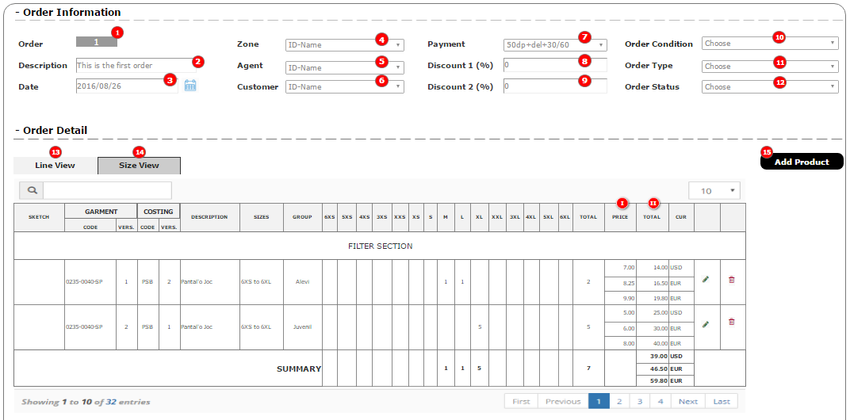
 | ORDER LINE EDIT SCREEN

 | Database 1 : |  | ORDER DETAILS (Filtered by id_order) |  |  |  |  | Actions : | Assistant to choose prooduct. Open window with the products filtered by customer to pick one of them. Smart filter.
 | Linked databases : |  | PRODUCT ( COST / COST VERSION/SIZES/SIZE DETAILS) |  |  |  |  |  | Assistant to choose group. Open a list with id_customer
 |  |  | CUSTOMER GROUPS (Filtered by id_customer) |  |  |  |  |  | If any line has ordd_name or ordd_num <> 0 , don't allow to edit q1 to q15, edit by NAMES & NUMBERS
 |  |  | SIZES / SIZE DETAILS |  |  |  |  |  | SAVE : | Create as many lines as sizes with a qtty: (q1 to q15) > 0 .
 |  |  |  |  |  |  |  |  |  | Copy on each record the qtty: ordd_qtty = q1 to q15 (depending on the size)
 |  |  |  |  |  |  |  |  |  | Copy on each record the size: id_size_det = q1 to q15 (depending on the size)
 |  |  |  |  |  |  |  |  |  | Copy on each record the price : ordd_gp_pr = qp (in case <> 0)
 |  |  |  |  |  |  |  |  |  | Copy on each record the group line : ordd_line (new sequencial number each group)
 |  |  |  |  |  |  |  |  |  | Copy on each record the manually given price : ordd_ag_pr = qp
 |  |  |  |  |  |  |  |  |  | Copy on each record the total cost of the line : ordd_ag_tot = (*algoritm)
 |  |  |  |  |  |  |  |  |  | Copy on each record id_order , id_product

 |  |  |  |  |  |  |  |  | NAME & NUMBERS (to edit item by item)
 |  |  |  |  |  |  |  |  |  | Open new window to fill details line by line

ORDER : id_order DATE : ord_date
DESCRIPTION : ord_description ORD.CONDITION : oc_description (id_order_condition)
CUSTOMER No. : id_customer ORDER TYPE : ot_description (id_order_type)
CUSTOMER NAME : cs_name (id_customer)
ORDER DETAILS
id_order_det ____ (U/I)
id_order____ (L)
id_product ___
ordd_cg_name ___
ordd_line ___
ordd_name _______
ordd_number __
id_size_det ___
ordd_size_custom__ (bool)
ordd_qtty __
ordd_fty_pr ____
ordd_zone_pr _____
ordd_ag_pr ___
ordd_fty_tot ____ (C)
ordd_zone_tot _____(C)
ordd_ag_tot ___(C)
ordd_del_fty ___ (automatically updated from SHIPMENT)
ordd_del_zone ___ (automatically updated from SHIPMENT)
ordd_del_ag ___ (automatically updated from SHIPMENT)
 | * Initial Order line edition
#1

 |  |  |  |  |  |  |  |  |  |  |  | szd_size (id_product / id_size / id_size_det )

GROUP : ordd_cg_name (free text)
PRODUCT : id_product
GARMENT CODE : id_pj - id_patt - id_patt_var (id_product)
GARMENT VERSION : pr_version (id_product)
6XS 5XS 4XS 3XS XXS XS S M L XL XXL 3XL 4XL 5XL 6XL TOTAL PRICE
------ ------ ------- ------- ------- ------- ------ ------ ------ ------ ------ ------ ------ ------ ------ --------- -------------
q1 q2 q3 q4 q5 q6 q7 q8 q9 q10 q11 q12 q13 q14 q15 qt qp
#2

pr_sketch
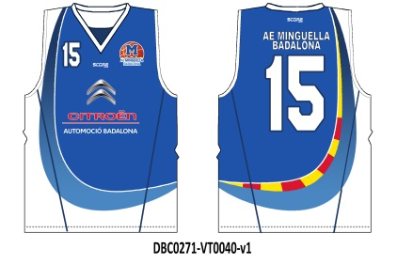
On Price List Price on Product Custom Total Price
------------------------ ------------------------ ---------------------- ----------------------
PRICE : plzd_pvpr-8 pr_pvpr-11 pr_11_valid ** calc **
(ord_plz (id_product) (id_product)
(cost_code /
id_cost_cod ))
 |  |  |  |  |  | NAME & NUMBRES

 |  |  |  |  |  | SAVE

 |  |  | * NAMES & NUMBERS EDIT

 |  | #2 |  | NAME | NUMBER | SIZE | QTTY
 |  |  |  | ordd_name | ordd_number | szd_size (id_product / id_size / id_size_det) | ordd_qtty |  |  |  | Actions :
 |  |  |  |  |  |  |  |  |  |  | NEW : |  | New line, open Edit screen (Pop Up)
 |  |  |  |  |  |  |  |  |  |  | DONE: |  | Back to previous screen, revert all values to (q1 to q16, and qt)
 |  |  |  |  |  |  |  |  |  |  | DELETE : |  | Delete single record
 |  |  |  |  |  |  |  |  | IMPORT |  | DELETE ALL : |  | Delete all records for this ordd_line
 |  |  |  |  |  |  |  |  | NEW |  | IMPORT : |  | Import data from Excel file (Attention don't know how to do for the sizes)

 |  |  |  |  |  | TOTAL | qt |  | DONE |  | ON POP - UP
 |  |  |  |  |  |  |  |  |  |  | SAVE : |  | Create new record and beside of those 4 fields, fill all other fields : id_order, id_product, ordd_cg_name, ordd_line ...
 |  |  |  |  |  |  |  |  |  |  | QUIT : |  | Don't save the record
ORDER LINE (NAME & NUM ) - EDIT SCREEN (Pop Up)
-----------------------------------------------------------------------
NAME : ordd_name
NUMBER : ordd_num
SIZE : szd_size (id_product /id_size /id_size_det)
QUANTITY : ordd_qtty
-----------------------------------------------------------------------
SAVE QUIT

ORDER : ORD-1246 DATE : 23/12/15
DESCRIPTION : Reposició equipacions joc ORD.CONDITION : Regular
CUSTOMER No. : 43 ORDER TYPE : Direct
CUSTOMER NAME : AE. Minguella STATUS : Open
 | * Initial Order line edition - EXAMPLE
#1

 |  |  |  |  |  |  |  |  |  |  |  | 16 positions
 |  |  |  |  |  |  |  |  |  |  |  | szd_size (id_product / id_size / id_size_det )

GROUP : Aleví
PRODUCT : PR-0221578
GARMENT CODE : 0235-0040-V-8
6XS 5XS 4XS 3XS XXS XS S M L XL XXL 3XL 4XL 5XL 6XL TOTAL PRICE
------ ------ ------- ------- ------- ------- ------ ------ ------ ------ ------ ------ ------ ------ ------ --------- -------------
1 1 2
ORDER DETAILS
id_order_det ____ (U/I)
id_order____ (L)
id_product ___
ordd_cg_name ___
ordd_line ___
ordd_name _______
ordd_number __
id_size_det ___
ordd_size_custom__ (bool)
ordd_qtty __
ordd_fty_pr ____
ordd_zone_pr _____
ordd_ag_pr ___
ordd_fty_tot ____ (C)
ordd_zone_tot _____(C)
ordd_ag_tot ___(C)
ordd_del_fty ___ (automatically updated from SHIPMENT)
ordd_del_zone ___ (automatically updated from SHIPMENT)
ordd_del_ag ___ (automatically updated from SHIPMENT)
#2

pr_sketch
On Price List Price on Product Valid up to Customization
------------------------ ------------------------ ---------------------- ---------------------
PRICE : 12.50 12.40 31/12/15 1.2
 |  |  |  |  |  | NAME & NUMBRES

 |  |  |  |  |  | SAVE

 |  |  | * NAMES & NUMBERS EDIT - EXAMPLE

 |  | #2 |  | NAME | NUMBER | SIZE | QTTY
 |  |  |  | ordd_name | ordd_number | szd_size (id_product / id_size / id_size_det) | ordd_qtty |  |  |  | Actions :
 |  |  |  | JOAN | 10 | M | 1 |  |  |  | NEW : |  | New line, open Edit screen (Pop Up)
 |  |  |  | PERE | 23 | L | 1 |  |  |  | DONE: |  | Back to previous screen, revert all values to (q1 to q16, and qt)
 |  |  |  |  |  |  |  |  |  |  | DELETE : |  | Delete single record
 |  |  |  |  |  |  |  |  |  |  | DELETE ALL : |  | Delete all records for this ordd_line
 |  |  |  |  |  |  |  |  |  |  | IMPORT : |  | Import data from Excel file (Attention don't know how to do for the sizes)
 |  |  |  |  |  |  |  |  | IMPORT
 |  |  |  |  |  |  |  |  |  |  | ON POP - UP
 |  |  |  |  |  |  |  |  | NEW |  | SAVE : |  | Create new record and beside of those 4 fields, fill all other fields : id_order, id_product, ordd_cg_name, ordd_line ...
 |  |  |  |  |  |  |  |  |  |  | QUIT : |  | Don't save the record
 |  |  |  |  |  | TOTAL | 2 |  | ta

ORDER LINE (NAME & NUM ) - EDIT SCREEN (Pop Up)
-----------------------------------------------------------------------
NAME : JOAN
NUMBER : 10
SIZE : M
QUANTITY : 1
-----------------------------------------------------------------------
SAVE QUIT

 | 1. Create Order

 |  | 1. Mockup - M1
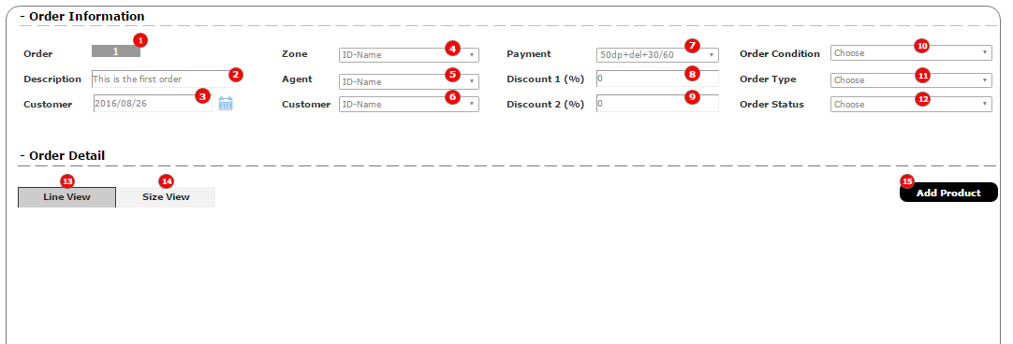

 |  | 2. Components

 | 2. Add New Product

 |  | 2.1. By Size Quantity

 |  |  | 2.1.1. Mockup M2.1
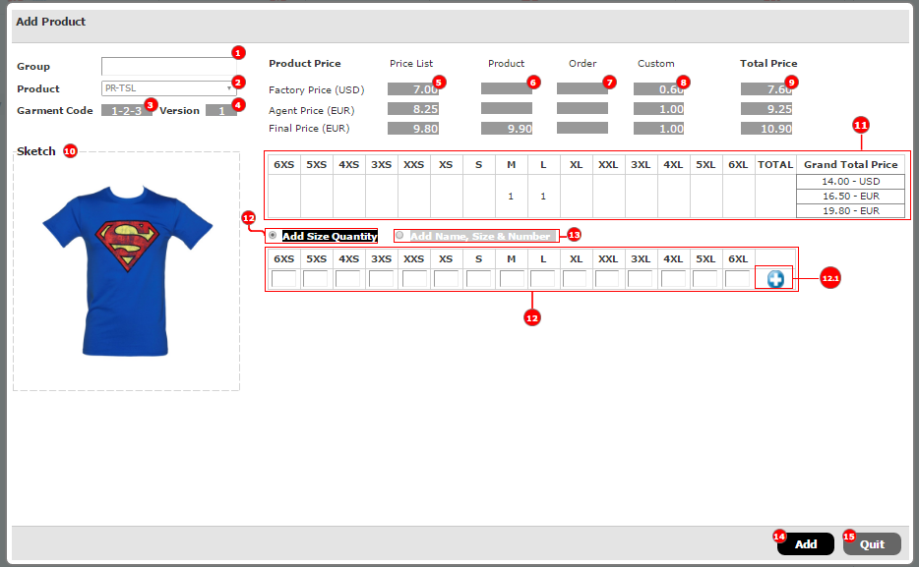

 |  |  | 2.1.2. Components

 |  | 2.2. By Name, Number, Size and Quantity

 |  |  | 2.2.1. Mockup M2.2
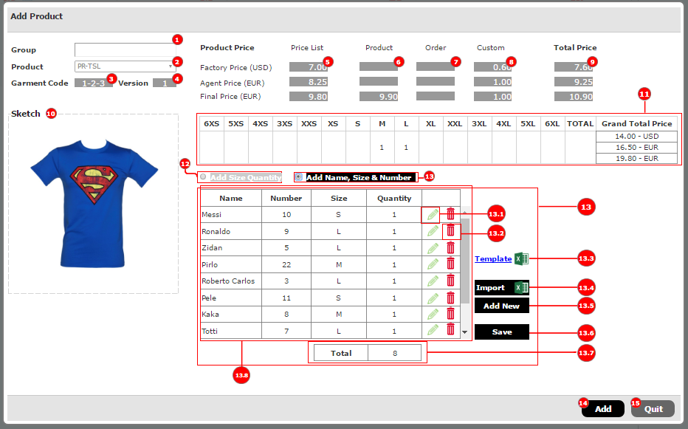

 |  |  | 2.2.2. Components

 |  |  | 2.2.3. Mockup M2.2.1
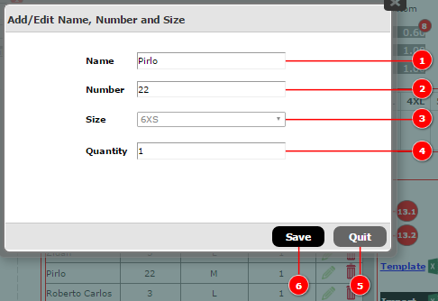

 | 3. Order Detail

 |  | 3.1. Line View

 |  |  | 3.1.1. Mockup M3.1
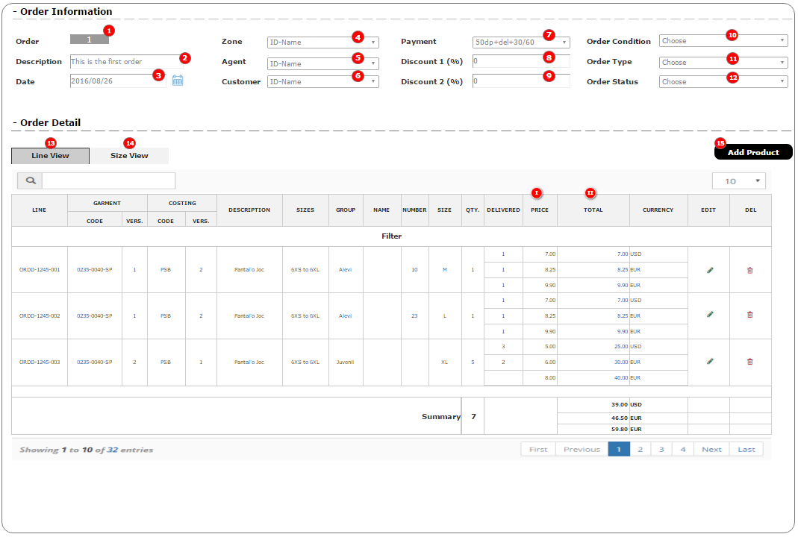

 |  |  | 3.1.2. Business Rules

 |  | 3.1. Size View - Mockup M3.2

Order Edit Lines
 | ORDER LINE EDIT SCREEN

 | Database 1 : |  | ORDER DETAILS (Filtered by id_order) |  |  |  |  | Actions : | Assistant to choose prooduct. Open window with the products filtered by customer to pick one of them. Smart filter.
 | Linked databases : |  | PRODUCT ( COST / COST VERSION/SIZES/SIZE DETAILS) |  |  |  |  |  | Assistant to choose group. Open a list with id_customer
 |  |  | CUSTOMER GROUPS (Filtered by id_customer) |  |  |  |  |  | If any line has ordd_name or ordd_num <> 0 , don't allow to edit q1 to q15, edit by NAMES & NUMBERS
 |  |  | SIZES / SIZE DETAILS |  |  |  |  |  | SAVE : | Create as many lines as sizes with a qtty: (q1 to q15) > 0 .
 |  |  |  |  |  |  |  |  |  | Copy on each record the qtty: ordd_qtty = q1 to q15 (depending on the size)
 |  |  |  |  |  |  |  |  |  | Copy on each record the size: id_size_det = q1 to q15 (depending on the size)
 |  |  |  |  |  |  |  |  |  | Copy on each record the price : ordd_gp_pr = qp (in case <> 0)
 |  |  |  |  |  |  |  |  |  | Copy on each record the group line : ordd_line (new sequencial number each group)
 |  |  |  |  |  |  |  |  |  | Copy on each record the manually given price : ordd_ag_pr = qp
 |  |  |  |  |  |  |  |  |  | Copy on each record the total cost of the line : ordd_ag_tot = (*algoritm)
 |  |  |  |  |  |  |  |  |  | Copy on each record id_order , id_product

 |  |  |  |  |  |  |  |  | NAME & NUMBERS (to edit item by item)
 |  |  |  |  |  |  |  |  |  | Open new window to fill details line by line

ORDER : id_order DATE : ord_date
DESCRIPTION : ord_description ORD.CONDITION : oc_description (id_order_condition)
CUSTOMER No. : id_customer ORDER TYPE : ot_description (id_order_type)
CUSTOMER NAME : cs_name (id_customer)
ORDER DETAILS
id_order_det ____ (U/I)
id_order____ (L)
id_product ___
ordd_cg_name ___
ordd_line ___
ordd_name _______
ordd_number __
id_size_det ___
ordd_size_custom__ (bool)
ordd_qtty __
ordd_fty_pr ____
ordd_zone_pr _____
ordd_ag_pr ___
ordd_fty_tot ____ (C)
ordd_zone_tot _____(C)
ordd_ag_tot ___(C)
ordd_del_fty ___ (automatically updated from SHIPMENT)
ordd_del_zone ___ (automatically updated from SHIPMENT)
ordd_del_ag ___ (automatically updated from SHIPMENT)
 | * Initial Order line edition
#1

 |  |  |  |  |  |  |  |  |  |  |  | szd_size (id_product / id_size / id_size_det )

GROUP : ordd_cg_name (free text)
PRODUCT : id_product
GARMENT CODE : id_pj - id_patt - id_patt_var (id_product)
GARMENT VERSION : pr_version (id_product)
6XS 5XS 4XS 3XS XXS XS S M L XL XXL 3XL 4XL 5XL 6XL TOTAL PRICE
------ ------ ------- ------- ------- ------- ------ ------ ------ ------ ------ ------ ------ ------ ------ --------- -------------
q1 q2 q3 q4 q5 q6 q7 q8 q9 q10 q11 q12 q13 q14 q15 qt qp
#2

pr_sketch
On Price List Price on Product Custom Total Price
------------------------ ------------------------ ---------------------- ----------------------
PRICE : plzd_pvpr-8 pr_pvpr-11 pr_11_valid ** calc **
(ord_plz (id_product) (id_product)
(cost_code /
id_cost_cod ))
 |  |  |  |  |  | NAME & NUMBRES

 |  |  |  |  |  | SAVE

 |  |  | * NAMES & NUMBERS EDIT

 |  | #2 |  | NAME | NUMBER | SIZE | QTTY
 |  |  |  | ordd_name | ordd_number | szd_size (id_product / id_size / id_size_det) | ordd_qtty |  |  |  | Actions :
 |  |  |  |  |  |  |  |  |  |  | NEW : |  | New line, open Edit screen (Pop Up)
 |  |  |  |  |  |  |  |  |  |  | DONE: |  | Back to previous screen, revert all values to (q1 to q16, and qt)
 |  |  |  |  |  |  |  |  |  |  | DELETE : |  | Delete single record
 |  |  |  |  |  |  |  |  | IMPORT |  | DELETE ALL : |  | Delete all records for this ordd_line
 |  |  |  |  |  |  |  |  | NEW |  | IMPORT : |  | Import data from Excel file (Attention don't know how to do for the sizes)

 |  |  |  |  |  | TOTAL | qt |  | DONE |  | ON POP - UP
 |  |  |  |  |  |  |  |  |  |  | SAVE : |  | Create new record and beside of those 4 fields, fill all other fields : id_order, id_product, ordd_cg_name, ordd_line ...
 |  |  |  |  |  |  |  |  |  |  | QUIT : |  | Don't save the record
ORDER LINE (NAME & NUM ) - EDIT SCREEN (Pop Up)
-----------------------------------------------------------------------
NAME : ordd_name
NUMBER : ordd_num
SIZE : szd_size (id_product /id_size /id_size_det)
QUANTITY : ordd_qtty
-----------------------------------------------------------------------
SAVE QUIT

ORDER : ORD-1246 DATE : 23/12/15
DESCRIPTION : Reposició equipacions joc ORD.CONDITION : Regular
CUSTOMER No. : 43 ORDER TYPE : Direct
CUSTOMER NAME : AE. Minguella STATUS : Open
 | * Initial Order line edition - EXAMPLE
#1

 |  |  |  |  |  |  |  |  |  |  |  | 16 positions
 |  |  |  |  |  |  |  |  |  |  |  | szd_size (id_product / id_size / id_size_det )

GROUP : Aleví
PRODUCT : PR-0221578
GARMENT CODE : 0235-0040-V-8
6XS 5XS 4XS 3XS XXS XS S M L XL XXL 3XL 4XL 5XL 6XL TOTAL PRICE
------ ------ ------- ------- ------- ------- ------ ------ ------ ------ ------ ------ ------ ------ ------ --------- -------------
1 1 2
ORDER DETAILS
id_order_det ____ (U/I)
id_order____ (L)
id_product ___
ordd_cg_name ___
ordd_line ___
ordd_name _______
ordd_number __
id_size_det ___
ordd_size_custom__ (bool)
ordd_qtty __
ordd_fty_pr ____
ordd_zone_pr _____
ordd_ag_pr ___
ordd_fty_tot ____ (C)
ordd_zone_tot _____(C)
ordd_ag_tot ___(C)
ordd_del_fty ___ (automatically updated from SHIPMENT)
ordd_del_zone ___ (automatically updated from SHIPMENT)
ordd_del_ag ___ (automatically updated from SHIPMENT)
#2

pr_sketch
On Price List Price on Product Valid up to Customization
------------------------ ------------------------ ---------------------- ---------------------
PRICE : 12.50 12.40 31/12/15 1.2
 |  |  |  |  |  | NAME & NUMBRES

 |  |  |  |  |  | SAVE

 |  |  | * NAMES & NUMBERS EDIT - EXAMPLE

 |  | #2 |  | NAME | NUMBER | SIZE | QTTY
 |  |  |  | ordd_name | ordd_number | szd_size (id_product / id_size / id_size_det) | ordd_qtty |  |  |  | Actions :
 |  |  |  | JOAN | 10 | M | 1 |  |  |  | NEW : |  | New line, open Edit screen (Pop Up)
 |  |  |  | PERE | 23 | L | 1 |  |  |  | DONE: |  | Back to previous screen, revert all values to (q1 to q16, and qt)
 |  |  |  |  |  |  |  |  |  |  | DELETE : |  | Delete single record
 |  |  |  |  |  |  |  |  |  |  | DELETE ALL : |  | Delete all records for this ordd_line
 |  |  |  |  |  |  |  |  |  |  | IMPORT : |  | Import data from Excel file (Attention don't know how to do for the sizes)
 |  |  |  |  |  |  |  |  | IMPORT
 |  |  |  |  |  |  |  |  |  |  | ON POP - UP
 |  |  |  |  |  |  |  |  | NEW |  | SAVE : |  | Create new record and beside of those 4 fields, fill all other fields : id_order, id_product, ordd_cg_name, ordd_line ...
 |  |  |  |  |  |  |  |  |  |  | QUIT : |  | Don't save the record
 |  |  |  |  |  | TOTAL | 2 |  | ta

ORDER LINE (NAME & NUM ) - EDIT SCREEN (Pop Up)
-----------------------------------------------------------------------
NAME : JOAN
NUMBER : 10
SIZE : M
QUANTITY : 1
-----------------------------------------------------------------------
SAVE QUIT

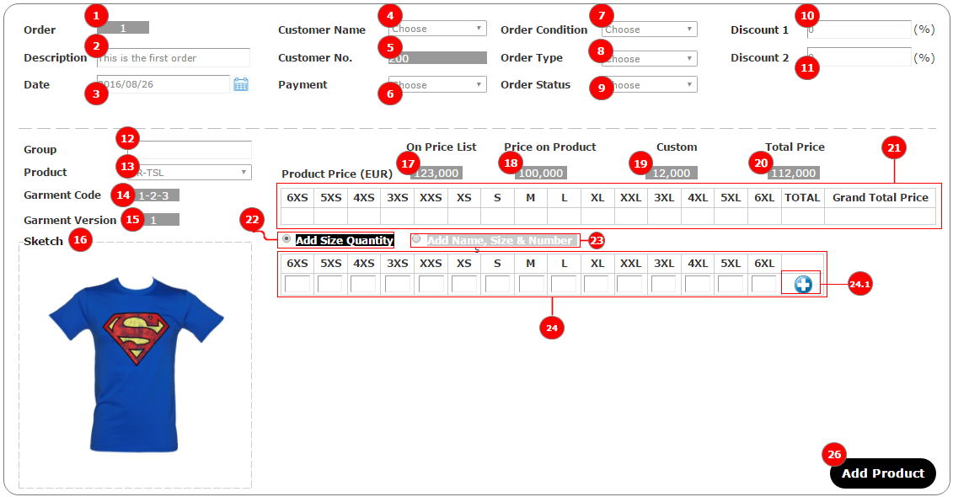
1. Mockup - Add Order by Size quantity (M1) |  |  |  |  |  |  |  |  |  |  |  |  |  | Component | Description | Action
 |  |  |  |  |  |  |  |  |  |  |  |  |  | 1 | Label | Shows Order's id, automatically increased consecutive
 |  |  |  |  |  |  |  |  |  |  |  |  |  | 2 | Textbox
 |  |  |  |  |  |  |  |  |  |  |  |  |  | 3 | Datetime picker
 |  |  |  |  |  |  |  |  |  |  |  |  |  | 4 | Dropdownbox | Shows list of Agent's customers
 |  |  |  |  |  |  |  |  |  |  |  |  |  | 5 | Label | Show Customer's Id
 |  |  |  |  |  |  |  |  |  |  |  |  |  | 6 | Dropdownbox | Shows list of Payment, from "payment" table
 |  |  |  |  |  |  |  |  |  |  |  |  |  | 7 | Dropdownbox | Show list of Order Condition, from "order_condition" table
 |  |  |  |  |  |  |  |  |  |  |  |  |  | 8 | Dropdownbox | Show list of Order Type, table "order_type"
 |  |  |  |  |  |  |  |  |  |  |  |  |  | 9 | Dropdownbox | Show List of Order Status, table "order_status"
 |  |  |  |  |  |  |  |  |  |  |  |  |  | 10 | Textbox
 |  |  |  |  |  |  |  |  |  |  |  |  |  | 11 | Textbox
 |  |  |  |  |  |  |  |  |  |  |  |  |  | 12 | Textbox
 |  |  |  |  |  |  |  |  |  |  |  |  |  | 13 | Dropdownbox | Show product's list of being choosen Customer
 |  |  |  |  |  |  |  |  |  |  |  |  |  | 14 | Label | Show product's Garment Code, which is formatted : id_pj - id_patt - id_patt_var
 |  |  |  |  |  |  |  |  |  |  |  |  |  | 15 | Label | Show Garment's version, it's product's version
 |  |  |  |  |  |  |  |  |  |  |  |  |  | 16 | Label + Image | Show Product's Sketch
 |  |  |  |  |  |  |  |  |  |  |  |  |  | 17 | Label | Show Product's price list (plzd_pvpr-8)
 |  |  |  |  |  |  |  |  |  |  |  |  |  | 18 | Label | Show Product's Manual Price (pr_pvpr-11)
 |  |  |  |  |  |  |  |  |  |  |  |  |  | 19 | Label | Show Product's Custom Price
 |  |  |  |  |  |  |  |  |  |  |  |  |  | 20 | Label | Show Product's Total Price, refer to Product.xlsx for calculation rule
 |  |  |  |  |  |  |  |  |  |  |  |  |  | 21 | Grid | Show quantity of each size. Number of Size (columns) is generated according to number of Sizes Detail of being chosen Product's size. Grand Total Price = (20)* TOTAL quantity
 |  |  |  |  |  |  |  |  |  |  |  |  |  | 22 | Radio | Click to show form to input quantity of each size, "ordd_size_custom = 0"
 |  |  |  |  |  |  |  |  |  |  |  |  |  | 23 | Radio | Click to show form to input name, size and number, refer to Mockup-(M2), section 25, "ordd_size_custom = 1"
 |  |  |  |  |  |  |  |  |  |  |  |  |  | 24 | Grid | Form that allows user to input quantity of each size. Number of Sizes (columns) is generated according to number of Size Details of being chosen Product's Size
 |  |  |  |  |  |  |  |  |  |  |  |  |  | 24.1 | Button | Click to update information to sectiont (21)
 |  |  |  |  |  |  |  |  |  |  |  |  |  | 26 | Button | Create new Order with all Order Detail. Reset all field from (12) to (24) so that user is able to add new Product to current Order

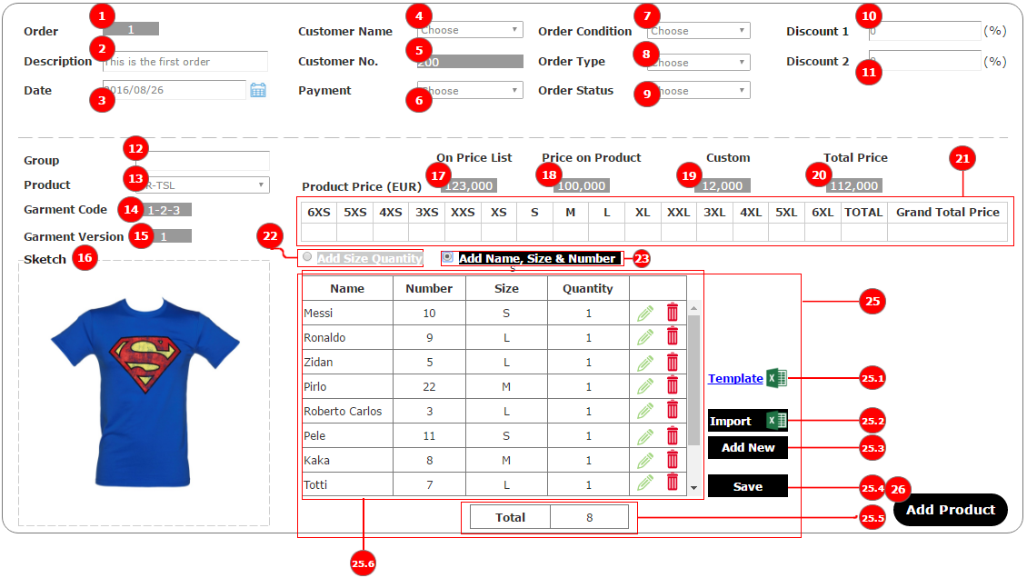
2. Mockup - Add Order by Size and Number (M2) |  |  |  |  |  |  |  |  |  |  |  |  |  | Component | Description | Action
 |  |  |  |  |  |  |  |  |  |  |  |  |  | 25 | Name, Size & Number Area
 |  |  |  |  |  |  |  |  |  |  |  |  |  | 25.1 | Link | Click to download Excel template
 |  |  |  |  |  |  |  |  |  |  |  |  |  | 25.2 | Button | Click to import data from Excel file
 |  |  |  |  |  |  |  |  |  |  |  |  |  | 25.3 | Button | Click to open "Add Size/Number" Popup (Mockup (M2.1))
 |  |  |  |  |  |  |  |  |  |  |  |  |  | 25.4 | Button | Save all information on (25.6) to (21) and calculate the Grand Total Price
 |  |  |  |  |  |  |  |  |  |  |  |  |  | 25.5 | Label | Show total quantity
 |  |  |  |  |  |  |  |  |  |  |  |  |  | 25.5 | Grid | Show list of Name, Number, Size and Quantity
 |  |  |  |  |  |  |  |  |  |  |  |  |  | 26 | Button | Create new Order with all Order Detail. Reset all field from (12) to (25) so that user is able to add new Product to current Order

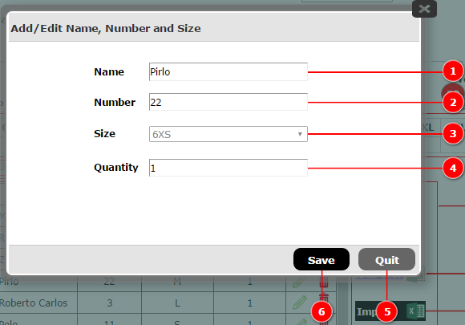
2.1 Mockup- Add Size and Number Popup (M2.1) |  |  |  |  |  |  |  |  |  |  |  |  |  | Component | Description | Action
 |  |  |  |  |  |  |  |  |  |  |  |  |  | 1 | Textfield
 |  |  |  |  |  |  |  |  |  |  |  |  |  | 2 | Textfield
 |  |  |  |  |  |  |  |  |  |  |  |  |  | 3 | Dropdownbox | Show list of sizes detail of being chosen Product's size
 |  |  |  |  |  |  |  |  |  |  |  |  |  | 4 | Textfield
 |  |  |  |  |  |  |  |  |  |  |  |  |  | 5 | Button | Close Popup
 |  |  |  |  |  |  |  |  |  |  |  |  |  | 6 | Button | Click to save information to section (25.6) - Mockup (M2). Reset all fields, do no close popup

Oder Type-Status-Condition-Web
ORDER TYPE MAIN SCREEN |  | ORDER CONDITION MAIN SCREEN
Database : | ORDER TYPE | Database : | ORDER CONDITION
Linked databases : |  | Linked databases :
Actions : | NEW : create a new record, Open edit screen (Pop Up) | Actions : | NEW : create a new record, Open edit screen (Pop Up)
 | Head of the tables allow to filter and sort information |  | Head of the tables allow to filter and sort information

ORDER TYPE
Id_order_type ___ (U/I)
ot_description _______________ (ML)
ORDER CONDITION
Id_order_condition ___ (U/I)
oc_description _______________ (ML)
 | NEW |  | NEW

ORDER TYPES |  | ORDER TYPESCONDITION
ot_description |  | oc_description
Regular |  | Web
Reposition |  | Agent
ORDER TYPE- EDIT SCREEN (Pop Up)
----------------------------------------------------------
ORDER TYPE : ot_description
----------------------------------------------------------
SAVE QUIT
ORDER CONDITION- EDIT SCREEN (Pop Up)
----------------------------------------------------------
ORDER CONDITION : oc_description
----------------------------------------------------------
SAVE QUIT
Samples |  | Dealer
 |  | Direct

ORDER STATUS MAIN SCREEN |  | WEB WINDOWS MAIN SCREEN
Database : | ORDER STATUS | Database : | WEB WINDOWS
Linked databases : |  | Linked databases :
Actions : | NEW : create a new record, Open edit screen (Pop Up) | Actions : | NEW : create a new record, Open edit screen (Pop Up)
WEB WINDOWS
Id_web_windows ___ (U/I)
ww_dete_i __/__/__
ww_dete_f __/__/__
ww_dete_del __/__/__
id_customer ____
 | Head of the tables allow to filter and sort information |  | Head of the tables allow to filter and sort information

ORDER STATUS
Id_order_status ___ (U/I)
os_description ________________ (ML)
 | NEW |  |  |  | NEW

ORDER STATUS |  | CUSTOMER | DATE START | DATE FINISH | DATE DELIVERY
os_description |  | cs_name (id_customer) | ww_date_i | ww_date_f | ww_date_del
Open |  | AE Minguella | 2016-05-01 | 2016-07-31 | 2016-09-15
On Production |  | AE Minguella | 2016-08-01 | 2016-10-31 | 2016-11-15
ORDER STATUS- EDIT SCREEN (Pop Up)
----------------------------------------------------------
ORDER STATUS : os_description
----------------------------------------------------------
SAVE QUIT
WEB WINDOWS - EDIT SCREEN (Pop Up)
----------------------------------------------------------
CUSTOMER : cs_name (id_customer)
DATE START : ww_dete_i __/__/__
DATE FINISH : ww_dete_f __/__/__
DATE DELIVERY : ww_dete_del __/__/__
----------------------------------------------------------
SAVE QUIT
On delivery |  | CD Valdefierro | 2016-05-01 | 31-06-2016 | 2016-08-15
Delivered |  | CD Valdefierro | 2016-07-01 | 2016-08-31 | 2016-10-15

Payment Main Screen
PAYMENT MAIN SCREEN
Database : |  | PAYMENT
Linked databases :
Actions : |  | NEW : create a new record, Open edit screen (Pop Up)
 |  | Head of the tables allow to filter and sort information

PAYMENT
Id_Payment ___ (U/I)
pay_code ___
pay_description _____________ (ML)
pay_dp ___ %
pay_delivery ___%
pay_30_days ___ %
pay_60_days ___%
pay_other ___ %
pay_day ___
 |  |  |  |  |  |  | NEW

 | PAYMENT CODE | DESCRIPTION (ML) | DOWNPAYMENT | On DELIVERY | 30 DAYS | 60 DAYS | OTHER | PAYMENT DAY
 | pay_code | pay_description | pay_dp | pay_delivery | pay_30_days | pay_60_days | pay_other | pay_day
 | On delivery | Cash on delivery |  | 100
 | 50dp+del+30/60 | 50% dwnpm + delivery + 30/60 | 50 | 20 | 15 | 15 |  | 10
PAYMENT - EDIT SCREEN (Pop Up)
----------------------------------------------------------
PAYMENT CODE : pay_code
DESCRIPTION : pay_description
DOWN PAYMENT : pay_dp
ON DELIVERY : pay_delivery %
30 DAYS : pay_30_days %
60 DAYS : pay_60_days %
OTHER : pay_other %
PAYMENT DAY : pay_day
----------------------------------------------------------
SAVE QUIT
 | 30dp+del | 30% dwnpm - 70% delivery | 30 | 70
 | 50dp+del | 50% dwnpm - 50% delivery | 50 | 50
 | Card | Credit Card | 100

